Table 1
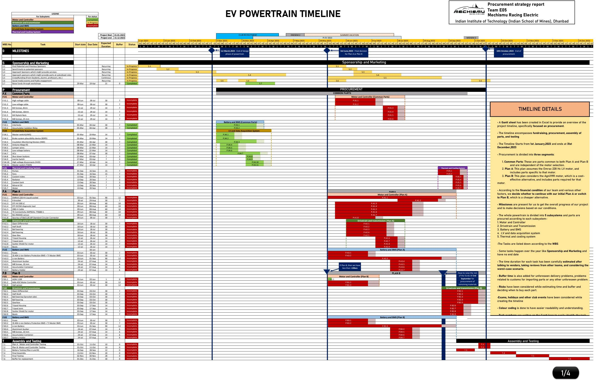

Table 2
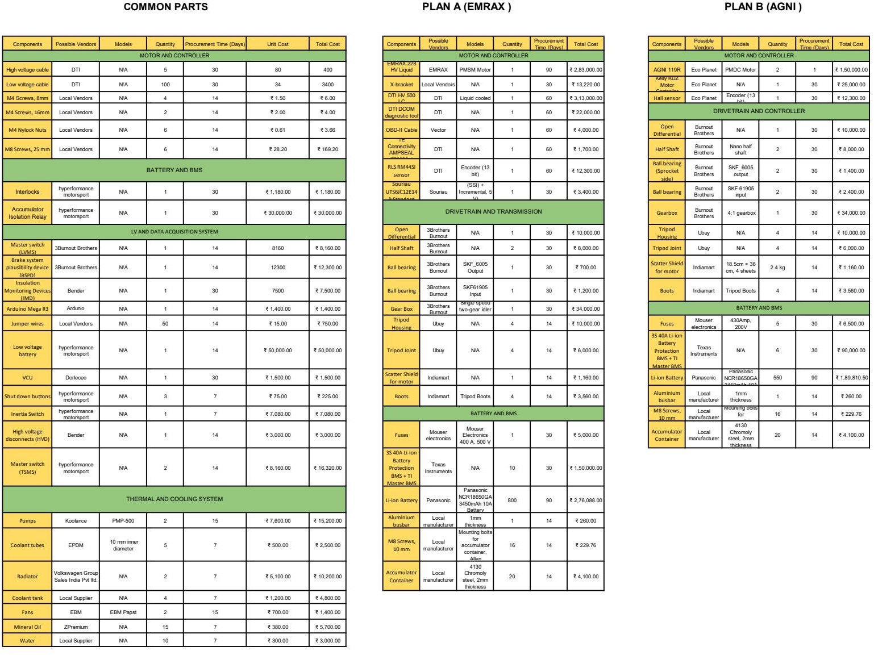

Table 3
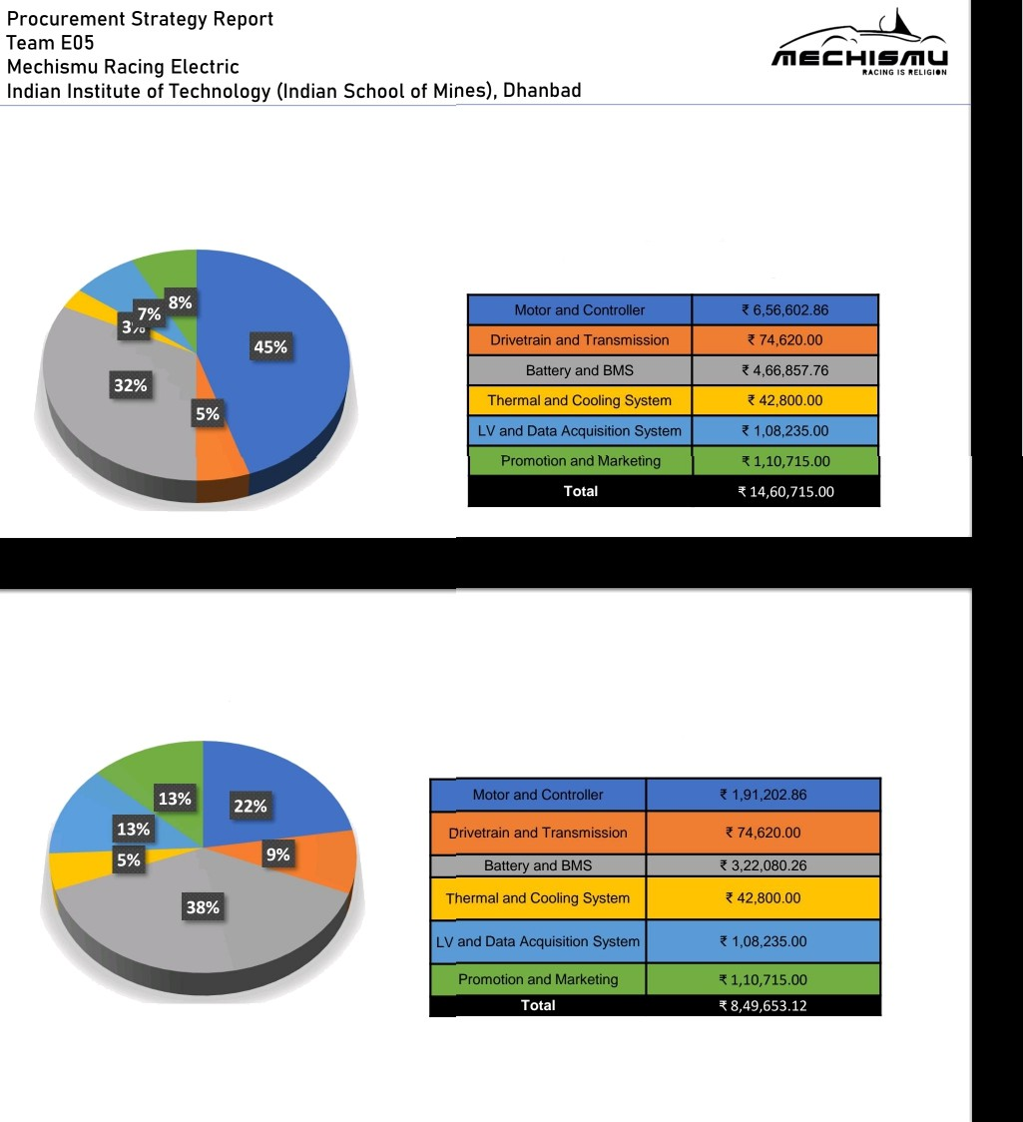
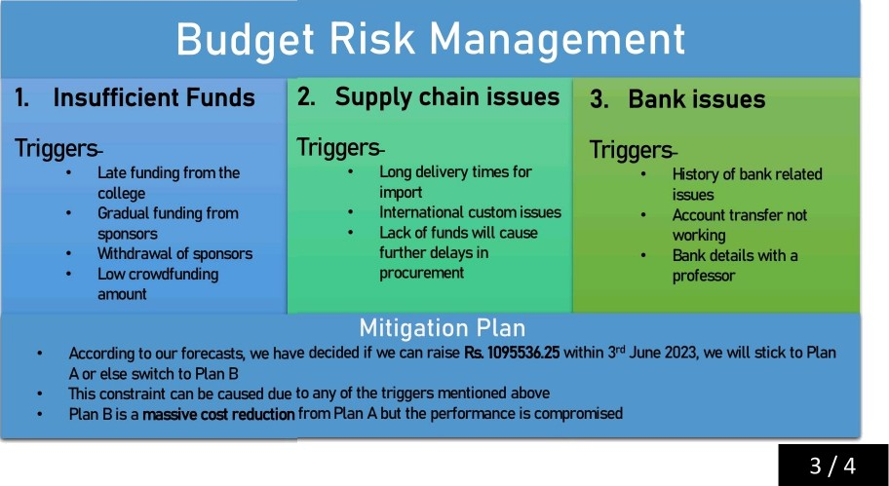
Subsystem-Wise
Cost Break Up
PLAN A
Cost break-up
Subsystem-Wise
Cost Break Up
PLAN B
Cost break-up

Table 4
Timeline
We have considered buffer times, budget constraints and alternate plans in the timeline
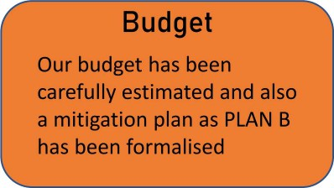  Procurement strategy report Team E05 " '”' ”“ "' Mechismu Racing Electric Indian Institute of (Indian School of | Dhanbad ” “ “ 'I

Table 5
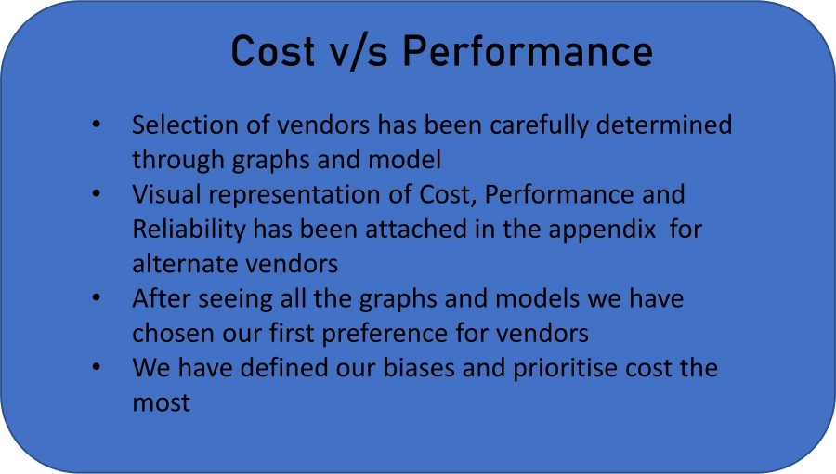
4 /4

Table 17
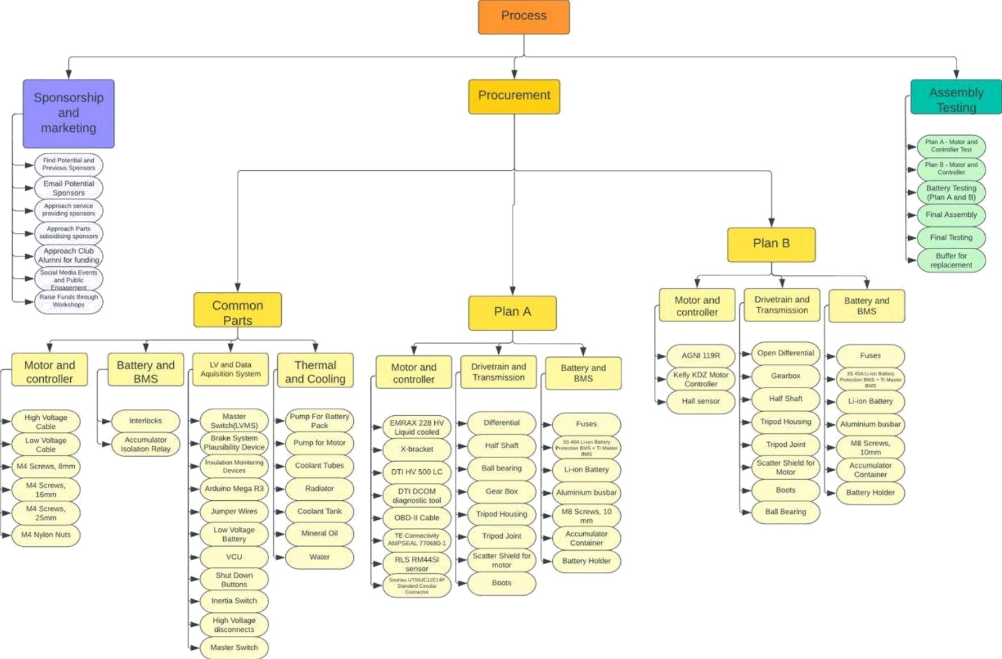
2

Table 18
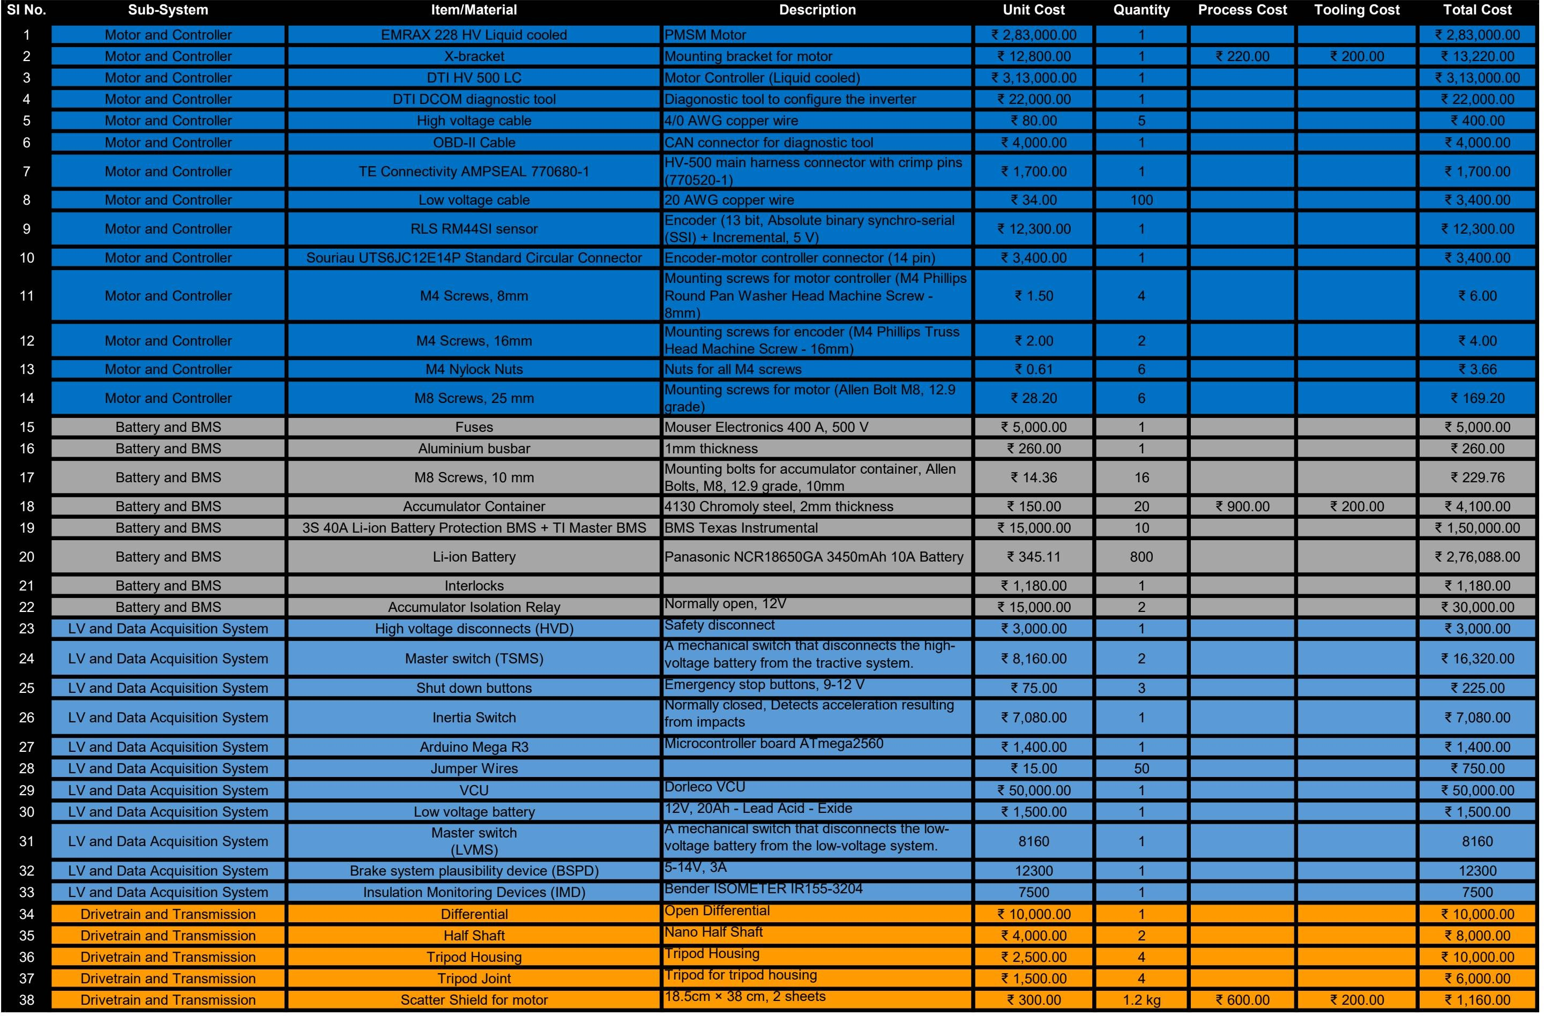

Table 19
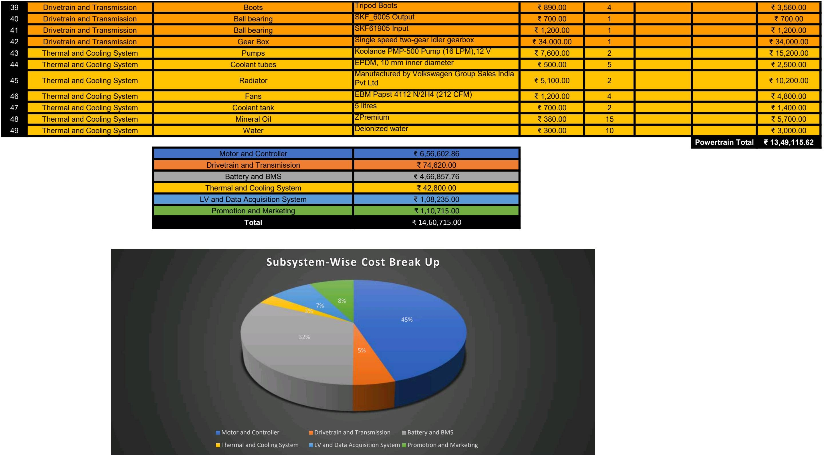

Table 20
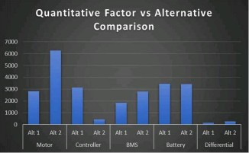
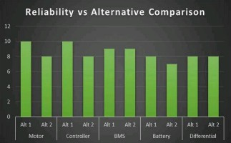
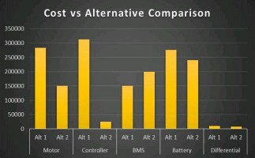
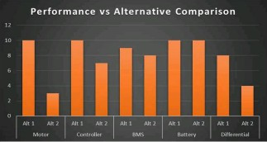
Alternative Gomparison Table

Table 26
